Start
Welcome to the tour. Instructions for screen readers: In just 10 steps, you'll be up and running with Excel, the world's most popular spreadsheet app. There are 11 more sheets in this tour. The instructions for each sheet start in cell A1, and each subsequent step is in cell A2, A3, and so on. The instructions will indicate which cells to navigate to for use of a feature, or further reading. To start, press CTRL+PAGE DOWN.
Clear and Concise
In just 3 steps, you'll be up and running with IGC Balancesheet, a clear concise view of your Information Governance Catalog.
IGC BalanceSheet
Go back to top by pressing CTRL+HOME. To start the tour, press CTRL+PAGE DOWN.

Let's go >

1. Add
Provide some connection details
Next step
Author: Deon Pollard SENYA LTD (c) 2018
?
PASSWORD This is your password for the Username.
c
USERNAME This is the name you are signing into the catalog.
b
HOSTNAME Typically, it would be something like https://MyIGC:8443
a
You only need to do this once:
Add numbers like a champ
Here are some ways to add up numbers in Excel:
Cells C3 through D7 contain data with two columns. One for Fruit, and one for Amount. |  | Connection Details
IP Number
Optionally Hostname can be the IP address of the IGC instance: therefore for example it would look like:
https://192.164.4.1:8443
Go to D8 by pressing CTRL+G, type D8, and then press ENTER.
Type =SUM(D4:D7), then press ENTER. | Host | http://localhost:8443
The result is 170.
Here's another way to add, using a shortcut key. Cells F3 through G7 contain data with two columns: Meat and Amount. | Username | isadmin
Go to cell G8. Press ALT+=, then press ENTER.
The result in cell G8 is 140. | Password | isadmin
Here's another way to add. Cells C10 through D15 have two columns of data: Item and Amount.
Now add only the numbers over 50. Go to cell D16. Type =SUMIF(D11:D15 comma ">50"), then press Enter. The result is 100.
EXTRA CREDIT: Cells F10 through G15 contain data with two columns: Item and Amount. Go to cell G16. Try adding another SUMIF formula here. Add amounts in column G, cells G11 to G15 but add amounts that are less than 100. The result should be 160.
Dive down for more detail: Go to A27. Or, to proceed to the next step, press CTRL+PAGE DOWN.

More about the SUM function
In some of the above tips, we taught you how to use the SUM function. Here are more details about it.
Cells C37 through D41 contain data with two columns: Fruit and Amount.
The formula in cell D42: =SUM(D38:D41).
If the SUM function in cell D42 could talk, it would say this: Sum up the values in cells D38, D39, D40, and D41.
Here's another way it can be used:
Cells C47 through D48 contain data with two columns: Item and Amount.
Cells F47 through G51 contain data with two columns: Item and Amount.
Cells E53 through E54 contain data with one column: Total.
The formula in cell E54: =SUM(D48 comma G48:G51 comma 100).
CHECK THIS OUT
Select these cells. Then in the lower-right corner of the Excel window, look for this:
That's just another way to quickly find a total.
If the formula in cell E54 could talk, it would say: Sum the following: the value in cell D48, the values in cells G48, G49, G50, and G51, and 100. | Fruit | Amount
The formula in cell E54 uses the following: | Apples | 50
• A single cell reference, which is the "address" or "name" of a cell. D48 is the single cell reference in the formula above. | Oranges | 20
• A range of cells, which is a series of cells starting at one cell and ending at another. G48:G51 is the range of cells in the formula. | Bananas | 60
• A constant, which is the number 100. | Lemons | 40
IMPORTANT DETAIL: Go to cell E54. You'll notice the 100 toward the end of the formula. Although it's possible to put numbers in a formula like this, we don't recommend it unless it's absolutely necessary. This is known as a constant, and it's easy to forget that it's there. We recommend referring to another cell instead, like cell D16. That way it's easily seen and not hidden inside a formula. |  | 170
Go to cell A66 for the next instruction.

More about the SUMIF function
We also showed you the SUMIF function at the top of this sheet in cells A10 and A11. The SUMIF function sums up totals based on a criterion.
Cells C72 through D77 contain data with two columns: Item and Amount.
The formula in cell D78: =SUMIF(D73:D77 comma ">50").
If the SUMIF function could talk, it would say this: Sum up some values based on this criterion, look through these cells D73 through D77, and if the value is greater than 50 sum it up.
NOTE: If you find you are making a lot of SUMIF formulas, you might find that a PivotTable is a better solution. See the PivotTable worksheet for more information.
Cells F72 through G77 contain data with two columns: Item and Amount.
GOOD TO KNOW: Go to cell G78. The formula in cell G78: =SUMIF(G73:G77 comma ">=50") is different from the formula in cell D78. Specifically, the sum criteria is ">=50" which means greater than or equal to 50. There are other operators you can use like "<=50" which is less than or equal to 50. And there's "<>50" which is not equals 50.
Go to cell A86 to go to the next instruction.

More information on the web
All about the SUM function
All about the SUMIF function
Use Excel as your calculator
Free Excel training online
Go back to top by pressing CTRL+HOME. To proceed to the next step, press CTRL+PAGE DOWN.

2. Fill
Customise your IGC Balance sheet
Next step
Optionally you can customise the BalanceSheet, here is how:
AssetID Column. You can optionally type in any valid assetType you have registered within IGC.
a
The last 3 item rows of the BalanceSheet allows you drop down selection of typical AssetTypes. Select if you want to include, otherwise leave blank.
b
Click the REFRESH button, to fill the CURRENT column with calculated values for each item in the Balancesheet from your IGC catalog. This is done via REST API calls to IGC.
c
a
Save time by filling cells automatically
Here’s how to use the fill feature in Excel:
Cells C3 through G7 contain data with five columns: "This:" column, which contains the number 50 in each cell; "Plus this:" column, which contains the numbers 50, 60, 70, and 80; "Equals:" column, with cell E4 containing a sum of cells C4 and D4; "Plus this:" column, which contains the number 75 in each cell; and "Equals:" column with cell G4 containing the sum of cells E4 and F4. | Link | Asset ID | Asset Type | Current
c
Itemised Details
Column CURRENT will be filled with current details every time you press the Refresh button.
Go to cell E4. Press CTRL+G, type E4, then press Enter. | 1 | term | Terms
Select cells E4, E5, E6, and E7 by holding the SHIFT key while pressing the ARROW DOWN key, then press CTRL+D. Excel will automatically fill the cells with the totals: 110, 120, and 130. People call this “filling down.” | 2 | category | Categories
Asset ID
Select any cell in AssetID column you want to customise. Replace with a valid Asset Type that is registered in your Catalog. For completeness enter a short accompaning description in the AssetType column.
EXTRA CREDIT: Go to cell G4 and repeat the fill down steps above.
Cells C10 through G14 contain data with five columns. These columns contain the heading from C3 to G3 and the values from cells C4 to G7 after executing steps in cells A5 and A6.
Go to cell C15. Select cells C15, D15, E15, F15, and G15. This time press CTRL+R to fill the cells. This is known as “filling right.”
Cells C10 through G14 contain data with five columns. These columns contain the heading from C3 to G3 and the values from cells C4 to G7 after executing steps in cells A5 and A6.
Go to cell C15. Select cells C15, D15, E15, F15, and G15. This time press CTRL+R to fill the cells. This is known as “filling right.”
Cells C10 through G14 contain data with five columns. These columns contain the heading from C3 to G3 and the values from cells C4 to G7 after executing steps in cells A5 and A6.
Go to cell C15. Select cells C15, D15, E15, F15, and G15. This time press CTRL+R to fill the cells. This is known as “filling right.”
Cells C10 through G14 contain data with five columns. These columns contain the heading from C3 to G3 and the values from cells C4 to G7 after executing steps in cells A5 and A6.
b
 | select
Refresh
Select from dropdown List
For your convenience a list of typical AssetTypes are provided from which you can select from.
 | select | bi_folder

Dive down for more detail

 | Sample List--> |  | $Terminal-Terminal | Click to see sample dropdown

Errors encountered
In the event that the REST API does not return an all OK status (HTTP 200)
A RED flag will appear next to each item ASSET TYPE where a non OK status was received
a
Typically this would indicate a non-valid AssetType. However you can diagnose by looking at the return STATUS code or the Payload response. These would be in the same Row as the item in the Balance sheet where the error was encountered
b
In the event that you want to interrogate the actual Payload. Copy the payload to any Json Viewer. A link is provided for an online JSON Viewer
c

Click to see Response
Use the fill handle to copy cells
Sometimes you don't need the numbers to change as you fill. Instead, you just want to copy values to other adjacent cells. Here's how to do that:
Cells C33 to cell F37 contain four columns: Department, Category, Product, and Count.
RESPONSE
Status Codes will be status values returned by IGC. Refer to IGC Documentation to diagnose.
Go to cell C34. Select C34, C35, C36, C37 and press CTRL+D. The value in C34 is filled down into the selected cells.
Go to cell A64 for the next instruction.

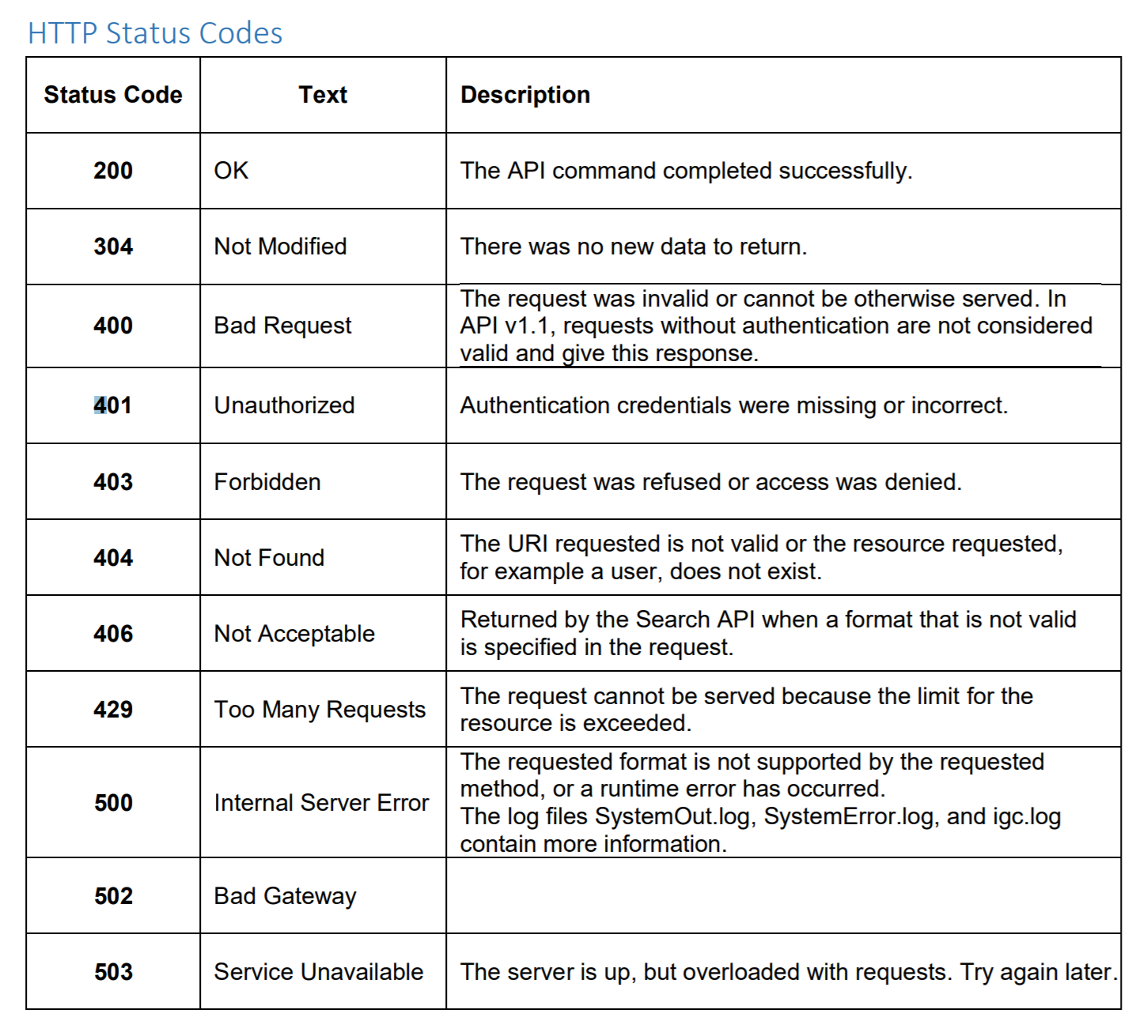

Setting Targets for yourself
Discretionary Targets may be set in the Balance sheet
For every itemised line in the Balance sheet a Target may be set y entering a value in the Target column
a
Based on Current a delta is calcualted with the resultant added to the Trend column.
b

To set Targets...
...modify to a target value you are striving for...

More information on the web
Fill data automatically in worksheet cells
Fill a formula down into adjacent cells
Go back to top by pressing CTRL+HOME. To proceed to the next step, press CTRL+PAGE DOWN.

More information on the web
Back to top
Next step
SENYA
Deon Pollard

3. Use
 |  |  |  |  |  | Host: | http://localhost:8443
 |  |  |  |  |  | UserName | isadmin | Password | isadmin
IGC Asset Balance Sheet

 | Asset ID | Asset Type | CURRENT | TARGET | TREND | Status | Response
 | term | Terms | 1,107 | 3,000 | (1,893) | 200 | {"items":[{"_type":"term","short_description":"","_id":"6662c0f2.e1b1ec6c.7666454b.5b03815b-33b2-42a2.b191.4a3b9e4a91d9","_context":[{"_type":"category","_id":"6662c0f2.ee6a64fe.c01c54b.d18d42d1-69ee-4ecc.82fd.f1dcd3f1fd3a","_url":"https://localhost:9443/ibm/iis/igc-rest/v1/assets/6662c0f2.ee6a64fe.c01c54b.d18d42d1-69ee-4ecc.82fd.f1dcd3f1fd3a","_name":"Involved Party"}],"status":"CANDIDATE","_url":"https://localhost:9443/ibm/iis/igc-rest/v1/assets/6662c0f2.e1b1ec6c.7666454b.5b03815b-33b2-42a2.b191.4a3b9e4a91d9","_name":"10,001 to 30,000 Area Units"},{"_type":"term","short_description":"","_id":"6662c0f2.e1b1ec6c.70b7454b.612f7d61-ed70-40d2.9b7e.b256acb27e56","_context":[{"_type":"category","_id":"6662c0f2.ee6a64fe.c01c54b.d18d42d1-69ee-4ecc.82fd.f1dcd3f1fd3a","_url":"https://localhost:9443/ibm/iis/igc-rest/v1/assets/6662c0f2.ee6a64fe.c01c54b.d18d42d1-69ee-4ecc.82fd.f1dcd3f1fd3a","_name":"Involved Party"}],"status":"CANDIDATE","_url":"https://localhost:9443/ibm/iis/igc-rest/v1/assets/6662c0f2.e1b1ec6c.70b7454b.612f7d61-ed70-40d2.9b7e.b256acb27e56","_name":"100,001 to 150,000 Area Units"},{"_type":"term","short_description":"","_id":"6662c0f2.e1b1ec6c.163bc548.de6ca8de-10ec-4cda.ad5b.3acaf53a5b48","_context":[{"_type":"category","_id":"6662c0f2.ee6a64fe.c01c54b.d18d42d1-69ee-4ecc.82fd.f1dcd3f1fd3a","_url":"https://localhost:9443/ibm/iis/igc-rest/v1/assets/6662c0f2.ee6a64fe.c01c54b.d18d42d1-69ee-4ecc.82fd.f1dcd3f1fd3a","_name":"Involved Party"}],"status":"CANDIDATE","_url":"https://localhost:9443/ibm/iis/igc-rest/v1/assets/6662c0f2.e1b1ec6c.163bc548.de6ca8de-10ec-4cda.ad5b.3acaf53a5b48","_name":"100,001 To 150,000 Units"},{"_type":"term","short_description":"","_id":"6662c0f2.e1b1ec6c.17904548.4e1b1a4e-f714-44f5.8af0.1adda91af046","_context":[{"_type":"category","_id":"6662c0f2.ee6a64fe.c01c54b.d18d42d1-69ee-4ecc.82fd.f1dcd3f1fd3a","_url":"https://localhost:9443/ibm/iis/igc-rest/v1/assets/6662c0f2.ee6a64fe.c01c54b.d18d42d1-69ee-4ecc.82fd.f1dcd3f1fd3a","_name":"Involved
 | category | Categories | 14 | 10 | 4 | 200 | {"items":[{"_type":"category","custom_Implements Job":{"items":[],"paging":{"numTotal":0,"pageSize":0,"end":-1,"begin":0}},"short_description":"Set of Terms relating to: EDW","_id":"6662c0f2.ee6a64fe.0015vqcen.fkjl7u8.ttvr10.nj3j4uvoulpigl92m77fn","_context":[{"_type":"category","_id":"6662c0f2.ee6a64fe.0015vqcen.fkjljoc.n82r3h.4445i2rtqtdrasa30iucf","_url":"https://localhost:9443/ibm/iis/igc-rest/v1/assets/6662c0f2.ee6a64fe.0015vqcen.fkjljoc.n82r3h.4445i2rtqtdrasa30iucf","_name":"ProjectCategory"}],"_url":"https://localhost:9443/ibm/iis/igc-rest/v1/assets/6662c0f2.ee6a64fe.0015vqcen.fkjl7u8.ttvr10.nj3j4uvoulpigl92m77fn","_name":"EDW"},{"_type":"category","custom_Implements Job":{"items":[],"paging":{"numTotal":0,"pageSize":0,"end":-1,"begin":0}},"short_description":"Additional Information About the employee ","_id":"6662c0f2.ee6a64fe.6d2k1g9fc.psd9ch8.2lrdeq.0j1iddeahjv827uqnskts","_context":[{"_type":"category","_id":"6662c0f2.ee6a64fe.c01c54b.d18d42d1-69ee-4ecc.82fd.f1dcd3f1fd3a","_url":"https://localhost:9443/ibm/iis/igc-rest/v1/assets/6662c0f2.ee6a64fe.c01c54b.d18d42d1-69ee-4ecc.82fd.f1dcd3f1fd3a","_name":"Involved Party"},{"_type":"category","_id":"6662c0f2.ee6a64fe.643c8537.0244b902-b6cd-4dfe.b197.71f99c7197ac","_url":"https://localhost:9443/ibm/iis/igc-rest/v1/assets/6662c0f2.ee6a64fe.643c8537.0244b902-b6cd-4dfe.b197.71f99c7197ac","_name":"Involved Party Descriptors"}],"_url":"https://localhost:9443/ibm/iis/igc-rest/v1/assets/6662c0f2.ee6a64fe.6d2k1g9fc.psd9ch8.2lrdeq.0j1iddeahjv827uqnskts","_name":"Employee_Machinery"},{"_type":"category","custom_Implements Job":{"items":[],"paging":{"numTotal":0,"pageSize":0,"end":-1,"begin":0}},"short_description":"Set of Terms relating to: GDPRforCRM","_id":"6662c0f2.ee6a64fe.00161qijd.hv06ok4.2ads09.islio3h4ms4lm37irv964","_context":[{"_type":"category","_id":"6662c0f2.ee6a64fe.0015vqcen.fkjljoc.n82r3h.4445i2rtqtdrasa30iucf","_url":"https://localhost:9443/ibm/iis/igc-rest/v1/assets/6662c0f2.ee6a64fe.0015vqcen.fkjljoc.n8
 |  | Glossary Subtotal | 1,121 | 3,010 | (1,889)
 | application | Applications | 6 | 6 | - | 200 | {"items":[{"_type":"application","custom_Implements Job":{"items":[],"paging":{"numTotal":0,"pageSize":0,"end":-1,"begin":0}},"short_description":"Regional Datalake","_id":"5b818a0c.187019e4.001623eho.hc81jc8.ahi01p.e6bp5qial292f5igokpei","_context":[],"_url":"https://localhost:9443/ibm/iis/igc-rest/v1/assets/5b818a0c.187019e4.001623eho.hc81jc8.ahi01p.e6bp5qial292f5igokpei","_name":"BigFoot DataHub"},{"_type":"application","custom_Implements Job":{"items":[],"paging":{"numTotal":0,"pageSize":0,"end":-1,"begin":0}},"short_description":"Customer Resource Application System","_id":"5b818a0c.187019e4.000lek7o4.9it0m1t.qslf1t.go24rvrrlrf0bn2g22uh3","_context":[],"_url":"https://localhost:9443/ibm/iis/igc-rest/v1/assets/5b818a0c.187019e4.000lek7o4.9it0m1t.qslf1t.go24rvrrlrf0bn2g22uh3","_name":"CRM"},{"_type":"application","custom_Implements Job":{"items":[],"paging":{"numTotal":0,"pageSize":0,"end":-1,"begin":0}},"short_description":"","_id":"5b818a0c.187019e4.001627cc1.lcnrl94.ip686t.6ah9tu4djg7935q7rgkb4","_context":[],"_url":"https://localhost:9443/ibm/iis/igc-rest/v1/assets/5b818a0c.187019e4.001627cc1.lcnrl94.ip686t.6ah9tu4djg7935q7rgkb4","_name":"GC_DataLake"},{"_type":"application","custom_Implements Job":{"items":[],"paging":{"numTotal":0,"pageSize":0,"end":-1,"begin":0}},"short_description":"Policy Administration System","_id":"5b818a0c.187019e4.001623eho.hc7tbqo.ooio42.a0fs8l55epq377tvh25r2","_context":[],"_url":"https://localhost:9443/ibm/iis/igc-rest/v1/assets/5b818a0c.187019e4.001623eho.hc7tbqo.ooio42.a0fs8l55epq377tvh25r2","_name":"Guidewire_PC"},{"_type":"application","custom_Implements Job":{"items":[],"paging":{"numTotal":0,"pageSize":0,"end":-1,"begin":0}},"short_description":"High speed machining product manufacturing facility and application portal","_id":"5b818a0c.187019e4.000lek7o4.9it0m1t.gusi67.a3jmqdqvj7pmpuca795i3","_context":[],"_url":"https://localhost:9443/ibm/iis/igc-rest/v1/assets/5b818a0c.187019e4.000lek7o4.9it0m1t.gusi67.a3jmqdqvj7pmpuca795
 | database | Databases | 4 | 120 | (116) | 200 | {"items":[{"_type":"database","short_description":"","_id":"b1c497ce.6e83759b.6ulkumajg.ajn1bpt.67e7m2.gh27i78t9d0g904bre62k","_context":[{"_type":"host","_id":"b1c497ce.354f5217.6ulkuj781.2s770al.7ppa7k.uu5t6dgc0jtnj2ok7asdh","_url":"https://localhost:9443/ibm/iis/igc-rest/v1/assets/b1c497ce.354f5217.6ulkuj781.2s770al.7ppa7k.uu5t6dgc0jtnj2ok7asdh","_name":"BI Server"}],"_url":"https://localhost:9443/ibm/iis/igc-rest/v1/assets/b1c497ce.6e83759b.6ulkumajg.ajn1bpt.67e7m2.gh27i78t9d0g904bre62k","_name":"BI Mart","dbms":"Cognos","dbms_server_instance":""},{"_type":"database","short_description":"","_id":"b1c497ce.6e83759b.000lek770.e26nsgi.g4vjie.cnjeiu3mqlgbgr92af8mj","_context":[{"_type":"host","_id":"b1c497ce.354f5217.000ldba07.rnu76qk.iuuadr.20r8gc73gj7jhme7224sl","_url":"https://localhost:9443/ibm/iis/igc-rest/v1/assets/b1c497ce.354f5217.000ldba07.rnu76qk.iuuadr.20r8gc73gj7jhme7224sl","_name":"Data Server"}],"_url":"https://localhost:9443/ibm/iis/igc-rest/v1/assets/b1c497ce.6e83759b.000lek770.e26nsgi.g4vjie.cnjeiu3mqlgbgr92af8mj","_name":"DW","dbms":"DB2","dbms_server_instance":"DB2"},{"_type":"database","short_description":"","_id":"b1c497ce.6e83759b.000ldba2r.k8p0fdk.kuhdm4.j9k3pbavn0k6lbc3or9ka","_context":[{"_type":"host","_id":"b1c497ce.354f5217.000ldba07.rnu76qk.iuuadr.20r8gc73gj7jhme7224sl","_url":"https://localhost:9443/ibm/iis/igc-rest/v1/assets/b1c497ce.354f5217.000ldba07.rnu76qk.iuuadr.20r8gc73gj7jhme7224sl","_name":"Data Server"}],"_url":"https://localhost:9443/ibm/iis/igc-rest/v1/assets/b1c497ce.6e83759b.000ldba2r.k8p0fdk.kuhdm4.j9k3pbavn0k6lbc3or9ka","_name":"DW_MART","dbms":"DB2","dbms_server_instance":"DB2"},{"_type":"database","short_description":"","_id":"b1c497ce.6e83759b.000ldba44.t2o3uni.cets9f.28lsu5129o1vor01taert","_context":[{"_type":"host","_id":"b1c497ce.354f5217.000ldba07.rnu76qk.iuuadr.20r8gc73gj7jhme7224sl","_url":"https://localhost:9443/ibm/iis/igc-rest/v1/assets/b1c497ce.354f5217.000ldba07.rnu76qk.iuuadr.20r8gc73gj7jhme7224sl","_name
 | data_file | Data Files | 2 | 5,000 | (4,998) | 200
 | logical_data_model | Logical Data Models | 2 | 4 | (2) | 200
 | physical_data_model | Physical Data Models | 2 | 5 | (3) | 200
 | steward | Data Stewards | 5 | 20 | (15) | 200
 | user | Users | 5 | 35 | (30) | 200
select | bi_folder | bi_folder | 19 | 1 | 18 | 200
select | bi_hierarchy | bi_hierarchy | - | 1 | (1) | 200
select | bi_model | bi_model | 2 | 1 | 1 | 200
 |  | Total Information Assets | 1,168 | 8,200 | (7,053)

Refresh
IC© 2018 Author: Deon Pollard

